Dashboard (2)

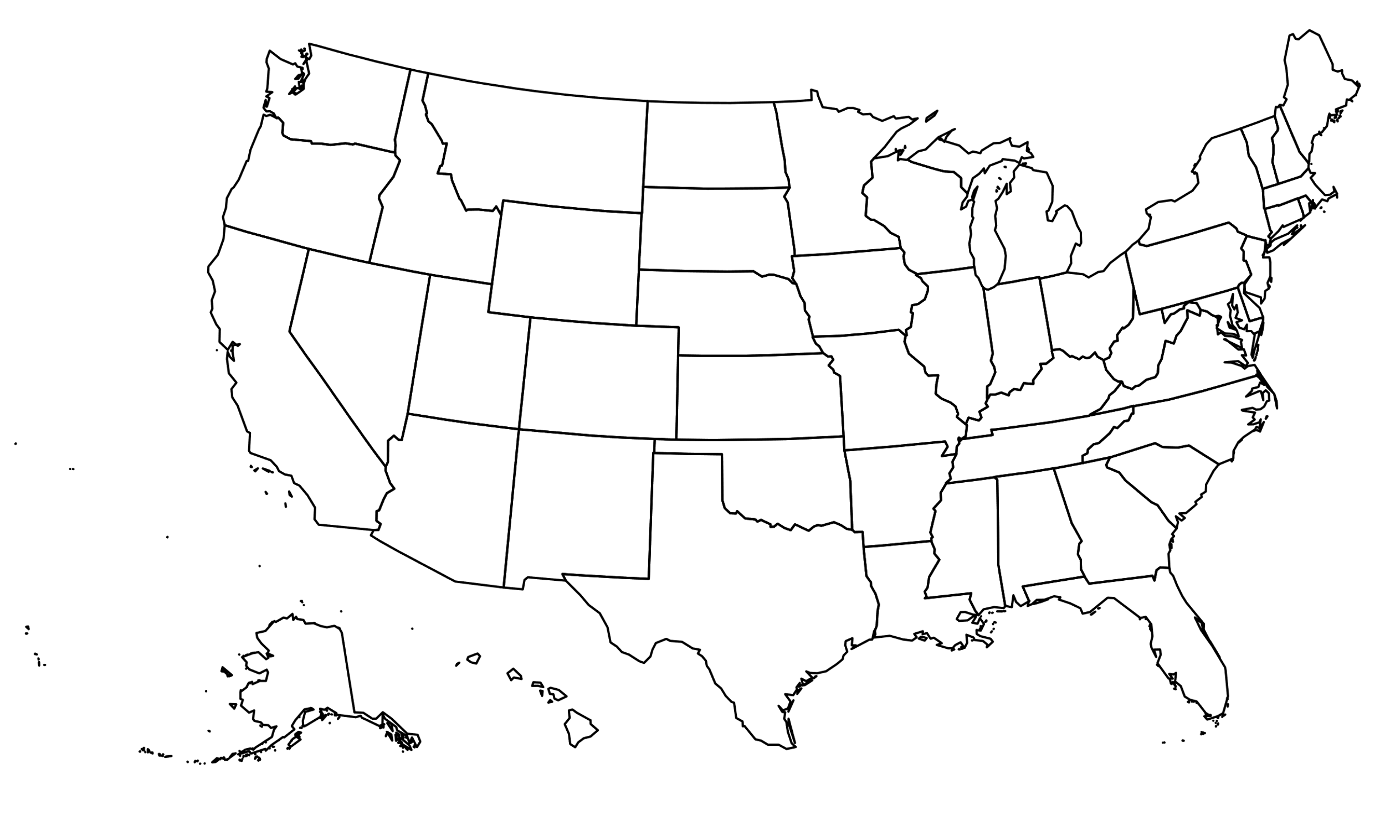
Fleet Management Transportation & Logistics Dashboard
New York,USA
Tips Scheules
Total Trip
22
Hired Transportation
5
Drivers
Schedule
Dashboard
Months
Trips

 |  |  |  |  |  | th

Notification

Introducing the Excel Fleet Management Dashboard—a powerful tool for real-time fleet insights. Track vehicle status, maintenance, and costs, while optimizing routes and driver performance. Generate custom reports and receive maintenance alerts. Accessible via an Excel file with user manual. Simplify fleet management, boost productivity, and cut costs. Contact us for support and enhance your fleet's performance today.
Trip | Date | Driver | Truck | From | To
1 | 2022-10-01 | Jaison | 72-1001/1002 | Air Port | X1 Port
2 | 2022-10-01 | Jaison | 72-1001/1002 | Air Port | X1 Port1`
3 | 2022-06-01 | Jaison | 72-1001/1002 | Alex | Top glove
4 | 2022-06-01 | Jaison | 72-1001/1002 | Alex | Top glove1`
5 | 2022-08-01 | Jaison | 72-1001/1002 | Gidec | Safeskin
6 | 2022-08-01 | Jaison | 72-1001/1002 | Gidec | Safeskin1
7 | 2022-03-01 | Antoni | 72-0466/0467 | Gidec | Suies
8 | 2022-03-01 | Antoni | 72-0466/0467 | Gidec | Suies1
9 | 2022-07-01 | Antoni | 72-0466/0467 | Giza | X1 Port |  | 22 | 2022-01-01 | Antoni | 72-0466/0467 | Xunthai | Gidec2
10 | 2022-07-01 | Antoni | 72-0466/0467 | Giza | X1 Port1
11 | 2022-02-01 | Jaison | 72-1001/1002 | Port Said | Safeskin
12 | 2022-02-01 | Jaison | 72-1001/1002 | Port Said | Safeskin1
13 | 2022-12-01 | Jaison | 72-1001/1002 | PT | Safeskin
14 | 2022-10-01 | Jaison | 72-1001/1002 | PT | Safeskin1
15 | 2022-09-01 | Antoni | 72-0466/0467 | Safeskin | Mina
16 | 2022-08-01 | Antoni | 72-0466/0467 | Safeskin | Mina1
17 | 2022-03-01 | Jaison | 72-1001/1002 | Safeskin | X1 Port
18 | 2022-05-01 | Antoni | 72-0466/0467 | Top glove | X1 Port
19 | 2022-03-01 | Antoni | 72-0466/0467 | Top glove | X1 Port2
20 | 2022-01-01 | Antoni | 72-0466/0467 | Xunthai | Gidec
21 | 2022-11-01 | Antoni | 72-0466/0467 | Xunthai | Gidec1
22 | 2022-01-01 | Antoni | 72-0466/0467 | Xunthai | Gidec2

Dashboard
Fleet Management Transportation & Logistics Dashboard
Total Trip
24

Overview
Hired Transportation
New York,USA
5

Dashboard
Salaries | $1,400
Wage | $2,600
Close | 0
Far | 3
Regular | 1
 | Sum of Driver wage/trip | Sum of Buddy wage/trip
Far | 1800 | 300
Regular | 400 | 100
Close
Regular
Far
-
1
3
I Driver & I Buddy Income Per Trip

Schedule
Wage | $2,600
Salaries | $1,400
Total Expenses
Total Salaries
Total Wages
65%
Drivers
$4,000
$1,400
35%
$2,600

American Dollar
American Dollar
American Dollar

Expenses By Month
Wage
Salary
 | Total
Jan | 3200
Feb | 2000
Mar | 4000
Apr | 1000
May | 1400
Jun | 3600
Jul | 2200
Aug | 2500
Sep | 1000
Oct | 3700
Nov | 1600
Dec | 1000
Diver's
 | Total
Jan | 800
Feb | 800
Mar | 1200
Apr | 400
May | 600
Jun | 1600
Jul | 800
Aug | 800
Sep | 400
Oct | 800
Nov | 400
Dec | 400

$1,800
$1,200

 | Total
Jan | 800
Mar | 300
May | 100
Jul | 300
Aug | 100
Sep | 100
Oct | 400
Nov | 400
Months
Buddy's
$400
$200

Jan | 2
Feb | 2
Mar | 4
Apr | 1
May | 1
Jun | 2
Jul | 2
Aug | 3
Sep | 1
Oct | 4
Nov | 1
Dec | 1
Trips By Month
 | Total
Woodchip | 3
Woodpellet | 1
Cargo Type

Return
One-Way
Total Distance
239
Km
2
Trips
2
Trips

goo
Count of From
24 | Row Labels | Count of Hired Transportation
 | No | 19 | Yes | 5 | Row Labels | Count of Trip Classify |  |  |  |  |  |  |  |  | Sum of Distance (km) |  |  | Row Labels | Count of Distance Traveled
total trip | Yes | 5 |  |  | Far | 3 |  | Close | - |  |  | Sum of Total Salaries | Sum of Total Wages |  | 239 |  |  | One-Way | 2
24 | Grand Total | 24 |  |  | Regular | 1 |  | Far | 3 |  |  | $1,400 | $2,600 |  |  |  |  | Return | 2
 |  |  |  |  |  |  |  | Regular | 1
 |  |  |  |  |  |  |  |  |  |  |  |  |  |  | Total distance |  | One-Way | 2
 |  | Count of Hired Transportation |  |  |  |  |  |  |  |  |  |  |  |  | 239 |  | Return | 2

 |  |  |  |  |  |  |  |  | Sum of Total Expenses | Total Expenses | Total Salaries | Total Wage | Row Labels | Sum of Total Expenses
 |  |  |  |  |  |  |  |  | 4000 | $4,000 | $1,400 | $2,600 | Jan | 3200 | Row Labels | Count of Month | Count of Month2 |  | Sum of Driver wage/trip | Sum of Driver Salary |  | Sum of Buddy wage/trip | Sum of Buddy Salary | Row Labels | Sum of Buddy wage/trip | Row Labels | Sum of Driver Salary | Row Labels | Row Labels | Count of Column3 |  | Row Labels | Count of Hired Transportation
 |  |  |  |  | Row Labels | Sum of Driver wage/trip | Sum of Buddy wage/trip |  |  |  |  |  | Feb | 2000 | Jan | 2 |  |  | 1800 | 1200 |  | 400 | 200 | Jan | 800 | Jan | 800 | Air PortX1 Port | Air PortX1 Port | 1 | Grand total | No | 19
 |  |  |  |  | Far | 1800 | 300 |  |  |  |  |  | Mar | 4000 | Feb | 2 | 0% |  |  |  |  |  |  | Mar | 300 | Feb | 800 | AlexTop glove | Air PortX1 Port1` | 1 | 22 | Yes | 5
 |  |  |  |  | Regular | 400 | 100 |  |  |  |  |  | Apr | 1000 | Mar | 4 | 100% |  |  |  |  |  |  | May | 100 | Mar | 1200 | GidecSafeskin | AlexTop glove | 1 |  | Grand Total | 24
 | Row Labels | Count of Goods |  |  |  |  |  |  |  |  |  |  | May | 1400 | Apr | 1 | -75% |  | $1,800 | $1,200 |  | $400 | $200 | Jul | 300 | Apr | 400 | GidecSuies | AlexTop glove1` | 1 | Yes
 | Woodchip | 3 |  |  |  |  |  |  | Salaries | $1,400 | 35% |  | Jun | 3600 | May | 1 | 0% |  |  |  |  |  |  | Aug | 100 | May | 600 | GizaX1 Port | GidecSafeskin | 1 | 5
 | Woodpellet | 1 |  |  |  |  |  |  | Wage | $2,600 | 65% |  | Jul | 2200 | Jun | 2 | 100% |  |  |  |  |  |  | Sep | 100 | Jun | 1600 | Port SaidSafeskin | GidecSafeskin1 | 1
 |  |  |  |  |  |  |  |  |  |  |  |  | Aug | 2500 | Jul | 2 | 0% |  |  |  |  |  |  | Oct | 400 | Jul | 800 | PTSafeskin | GidecSuies | 1
 |  |  |  |  |  |  |  |  |  |  |  |  | Sep | 1000 | Aug | 3 | 50% |  |  |  |  |  |  | Nov | 400 | Aug | 800 | SafeskinMina | GidecSuies1 | 1
 |  |  |  |  |  |  |  |  | Wage | $2,600 |  |  | Oct | 3700 | Sep | 1 | -67% |  | Row Labels |  | Row Labels | Air PortX1 Port |  |  |  | Sep | 400 | SafeskinX1 Port | GizaX1 Port | 1
 |  |  |  |  |  |  |  |  | Salaries | $1,400 |  |  | Nov | 1600 | Oct | 4 | 300% |  | Air PortX1 Port |  | Air PortX1 Port | AlexTop glove |  |  |  | Oct | 800 | Top gloveX1 Port | GizaX1 Port1 | 1
 |  |  |  |  |  |  |  |  |  |  |  |  | Dec | 1000 | Nov | 1 | -75% |  | AlexTop glove |  | AlexTop glove | GidecSafeskin | Row Labels | Row Labels |  | Nov | 400 | XunthaiGidec | Port SaidSafeskin | 1
 |  |  |  |  |  |  |  |  |  |  |  |  |  |  | Dec | 1 | 0% |  | GidecSafeskin |  | GidecSafeskin | GidecSuies | Antoni | Jan |  | Dec | 400 | (blank) | Port SaidSafeskin1 | 1
 |  |  |  |  |  |  |  |  |  |  |  |  |  |  |  |  |  |  | GidecSuies |  | GidecSuies | GizaX1 Port | Jaison | Feb |  |  |  | Grand Total | PTSafeskin | 1
 |  |  |  |  |  |  |  |  |  |  |  |  |  |  |  |  |  |  | GizaX1 Port |  | GizaX1 Port | Port SaidSafeskin | (blank) | Mar | Row Labels |  |  |  | PTSafeskin1 | 1
 |  |  |  |  |  |  |  |  |  |  |  |  |  |  |  |  |  |  | Port SaidSafeskin |  | Port SaidSafeskin | PTSafeskin |  | Apr | Air PortX1 Port |  |  |  | SafeskinMina | 1
 |  |  |  |  |  |  |  |  |  |  |  |  |  |  | Jan | 2 | 0% |  | PTSafeskin |  | PTSafeskin | SafeskinMina |  | May | AlexTop glove |  |  |  | SafeskinMina1 | 1
 |  |  |  |  |  |  |  |  |  |  |  |  |  |  | Feb | 2 | 0% |  | SafeskinMina |  | SafeskinMina | SafeskinX1 Port |  | Jun | GidecSafeskin |  |  |  | SafeskinX1 Port | 1
 |  |  |  |  |  |  |  |  |  |  |  |  |  |  | Mar | 4 | 100% |  | SafeskinX1 Port |  | SafeskinX1 Port | Top gloveX1 Port |  | Jul | GidecSuies |  |  |  | Top gloveX1 Port | 1
 |  |  |  |  |  |  |  |  |  |  |  |  |  |  | Apr | 1 | -75% |  | Top gloveX1 Port |  | Top gloveX1 Port | XunthaiGidec |  | Aug | GizaX1 Port |  |  |  | Top gloveX1 Port2 | 1
 |  |  |  |  |  |  |  |  |  |  |  |  |  |  | May | 1 | 0% |  | XunthaiGidec |  | XunthaiGidec |  |  | Sep | Port SaidSafeskin |  |  |  | XunthaiGidec | 1
 |  |  |  |  |  |  |  |  |  |  |  |  |  |  | Jun | 2 | 100% |  | (blank) |  | (blank) |  |  | Oct | PTSafeskin |  |  |  | XunthaiGidec1 | 1
 |  |  |  |  |  |  |  |  |  |  |  |  |  |  | Jul | 2 | 0% |  | Grand Total |  | Grand Total |  |  | Nov | SafeskinMina |  |  |  | XunthaiGidec2 | 1
 |  |  |  |  |  |  |  |  |  |  |  |  |  |  | Aug | 3 | 50% |  |  |  |  |  |  | Dec | SafeskinX1 Port |  |  |  | Grand Total | 22
 |  |  |  |  |  |  |  |  |  |  |  |  |  |  | Sep | 1 | -67% |  |  |  |  |  |  | (blank) | Top gloveX1 Port
 |  |  |  |  |  |  |  |  |  |  |  |  |  |  | Oct | 4 | 300% |  |  |  |  |  |  |  | XunthaiGidec
 |  |  |  |  |  |  |  |  |  |  |  |  |  |  | Nov | 1 | -75% |  |  |  |  |  |  |  | (blank)
 |  |  |  |  |  |  |  |  |  |  |  |  |  |  | Dec | 1 | 0%

